Risk Register
Organisation Name | Organisation ABC |  |  | Please give each risk a rating of Low/Medium/High, or Very High using the table below
Project Name | Community Education Hui |  |  | Please rate the bold political neutrality risk and provide a mitigation. Please also delete the blue example risks and replace with your own risks and mitigations. | example
Project Lead | Xyz Xyz
Identified Risk | Risk Rating (Likely, Feasible, Slight) | Mitigation | DRAFT | 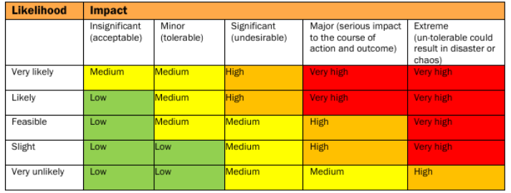
Our organisation is not able to maintain political neutrality | Medium | We will ensure that we work in a politically neutral way and will come to the Electoral Commission if we are unsure
We are unable to secure venues for all four hui and therefore unable to deliver our project | Low | Work early with trusted community venues to secure the necessary dates
There is low attendance at community hui and we do not reach the people we expect to reach | Medium | Advertise the hui widely amongst trusted community groups and in local publications
Community members attend hui but are not interested in checking which roll they are on or in discussing voting | Low | Provide easy ways to check enrolment status at the hui
Enrolment forms are lost and we are not able to support our community to enrol | High | We adhere to secure data handling procedures

